Sheet1
Film sprocket distance: | 3.81 | mm | L=2.pi.r(th/360)
Stepper motor angle | 7.5 | ° | r=360L/(2.pi.th)
Circle radius: | 29.106255993 | mm
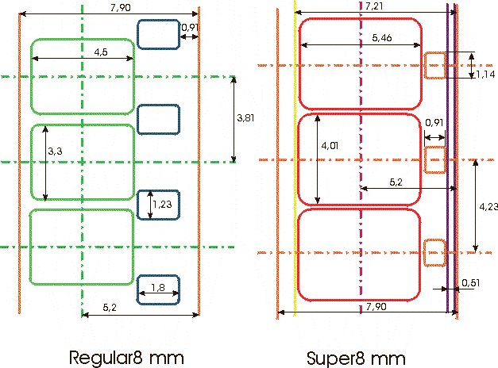
Circle diameter | 58.212511985

